Sheet1
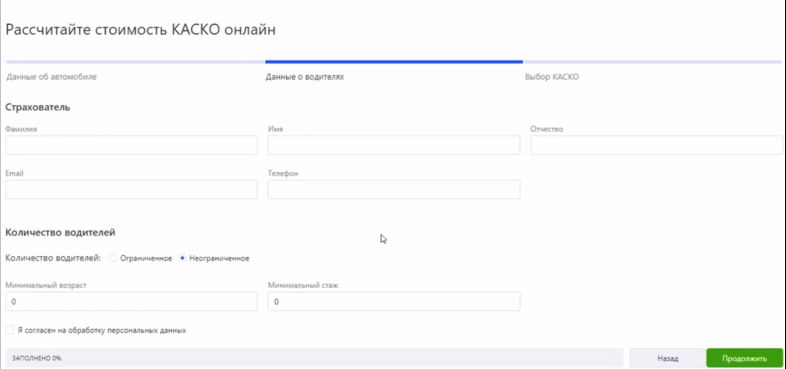
Exapmle correct amount test - Enter any uncorrect value in field (name,lastname,surname,email,mobile,consent) it will be the first 6 tests on valid values ✅ .....+ 3 test for AGE and 3 tests for Experience it will be 9 test ✅ TOTAL 15 tests , not 576 😅 Also you can even more optimize our TEST if we delet out repeating results in the actions column so we will get 7 TEST !!!!! | Amount Tests - 2*2*2*2*2*3*3*2 =576 :( | я рассказываю про одну из самых эффективных техник тест дизайна - таблицы решений. В данном примере мы тестируем поля регистрации и расчета стоимость КАСКО Ка́ско — страхование средств транспорта от ущерба |  | not repeating tests | repeating tests |  | CORRECT VALUE--> OK INCORRECT VALUE --> --
Requirements | Conditions | Decisions | amount decisions | TC1 | TC2 | TC3 | TC4 | TC5 | TC6 | TC7 | TC8 | TC9 | TC10 | TC11 | TC12 | TC13 | TC14 | TC15
Letters ( >=3 <=30) | NAME | letters/numbers | 2 | -- | OK | OK | OK | OK | OK | OK | OK | OK | OK | OK | OK | OK | OK | OK
Letters ( >=3 <=30) | LASTNAME | letters/numbers | 2 | OK | -- | OK | OK | OK | OK | OK | OK | OK | OK | OK | OK | OK | OK | OK
Letters ( >=3 <=30) | SURNAME | letters/numbers | 2 | OK | OK | -- | OK | OK | OK | OK | OK | OK | OK | OK | OK | OK | OK | OK
test@mail.?? | E-MAIL | e-mail correct format / uncorrect | 2 | OK | OK | OK | -- | OK | OK | OK | OK | OK | OK | OK | OK | OK | OK | OK
numbers | MOBILE | numbers / other format | 2 | OK | OK | OK | OK | -- | OK | OK | OK | OK | OK | OK | OK | OK | OK | OK
<18(dismiss) >=18 and <=49 (with Discount) >=50 (without Discount) | AGE | (<18) - ( >17 <50) - ( >=50) | 3 | 17 | 17 | 17 | 18 | 33 | 21 | 17 | 17 | 17 | 18 | 49 | 21 | 50 | 76 | 62
>=0 and <=3 (without Discount) >3 (with discount) | EXPERIONS | (>=0 or <3) - ( >3) , uncorrect | 3 | 0 | 4 | 18 | 0 | 4 | 5 | 0 | 4 | 18 | 0 | 4 | 5 | 3 | 30 | 45
Yes | CONSENT | Yes / No | 2 | OK | OK | OK | OK | OK | -- | OK | OK | OK | OK | OK | OK | OK | OK | OK
 | ACTIONS
https://sankt-peterburg.vbr.ru/strahovanie/kasko/ |  | Offer the Kasko |  |  |  |  |  |  |  |  |  |  | x | x |  | x | x
 |  | Offer a Discount |  |  |  |  |  |  |  |  |  |  |  | x
 |  | Dismiss |  |  |  |  |  |  |  | x
 |  | Conflict |  |  |  |  |  |  |  |  | x | x |  |  | x |  |  | x
 |  | Error |  | x | x | x | x | x | x

